Fed_ITC
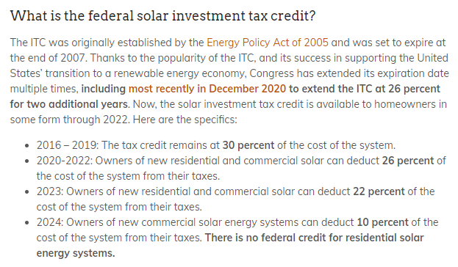
Title: | Federal Investment Tax Credit |  | https://news.energysage.com/solar-tax-credit-explained/#:~:text=The%20investment%20tax%20credit%20(ITC,no%20cap%20on%20its%20value.
Units: | % of installation price
Description: | Applicable to solar PV and storage whose stored energy comes primarily from solar PV.
Source: | https://www.energy.gov/eere/solar/articles/residential-and-commercial-itc-factsheets
Note:
 |  | All PV Sectors à |  | Data need to go through 2052, consistent with definition of the Static PV Time index
ITC Scenario â | Static PV Time â | Residential | NonResidential
Low | 2002 | 0% | 0%
Low | 2003 | 0% | 0%
Low | 2004 | 0% | 0%
Low | 2005 | 30% | 30%
Low | 2006 | 30% | 30%
Low | 2007 | 30% | 30%
Low | 2008 | 30% | 30%
Low | 2009 | 30% | 30%
Low | 2010 | 30% | 30%
Low | 2011 | 30% | 30%
Low | 2012 | 30% | 30%
Low | 2013 | 30% | 30%
Low | 2014 | 30% | 30%
Low | 2015 | 30% | 30% |  | https://www.energy.gov/eere/solar/homeowners-guide-federal-tax-credit-solar-photovoltaics
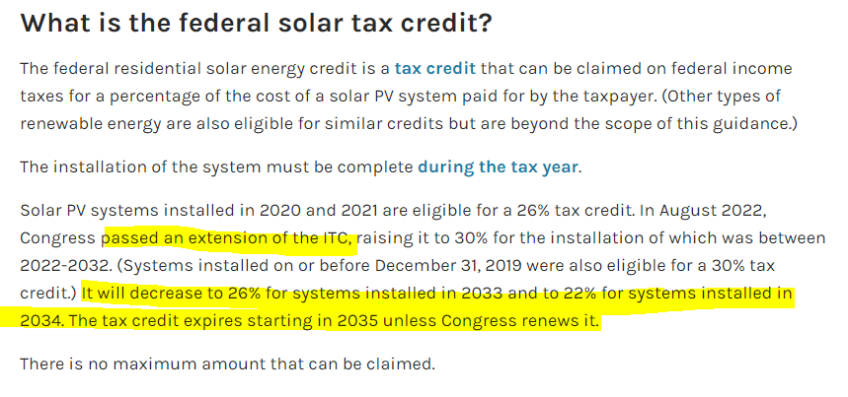
Low | 2016 | 30% | 30%
Low | 2017 | 30% | 30%
Low | 2018 | 30% | 30%
Low | 2019 | 30% | 30%
Low | 2020 | 26% | 26%
Low | 2021 | 26% | 26%
Low | 2022 | 30% | 30%
Low | 2023 | 30% | 30%
Low | 2024 | 30% | 30%
Low | 2025 | 30% | 30%
Low | 2026 | 30% | 30%
Low | 2027 | 30% | 30%
Low | 2028 | 30% | 30%
Low | 2029 | 30% | 30%
Low | 2030 | 30% | 30%
Low | 2031 | 30% | 30%
Low | 2032 | 30% | 30%
Low | 2033 | 26% | 0%
Low | 2034 | 22% | 0% |  | https://www.energy.gov/eere/solar/federal-solar-tax-credits-businesses
Medium | 2002 | 0% | 0%
Medium | 2003 | 0% | 0%
Medium | 2004 | 0% | 0%
Medium | 2005 | 30% | 30%
Medium | 2006 | 30% | 30%
Medium | 2007 | 30% | 30%
Medium | 2008 | 30% | 30%
Medium | 2009 | 30% | 30%
Medium | 2010 | 30% | 30%
Medium | 2011 | 30% | 30%
Medium | 2012 | 30% | 30%
Medium | 2013 | 30% | 30%
Medium | 2014 | 30% | 30%
Medium | 2015 | 30% | 30%
Medium | 2016 | 30% | 30%
Medium | 2017 | 30% | 30%
Medium | 2018 | 30% | 30%
Medium | 2019 | 30% | 30%
Medium | 2020 | 26% | 26%
Medium | 2021 | 26% | 26%
Medium | 2022 | 30% | 30%
Medium | 2023 | 30% | 30%
Medium | 2024 | 30% | 30%
Medium | 2025 | 30% | 30%
Medium | 2026 | 30% | 30%
Medium | 2027 | 30% | 30%
Medium | 2028 | 30% | 30%
Medium | 2029 | 30% | 30%
Medium | 2030 | 30% | 30%
Medium | 2031 | 30% | 30%
Medium | 2032 | 30% | 30%
Medium | 2033 | 26% | 0%
Medium | 2034 | 22% | 0%
High | 2002 | 0% | 0%
High | 2003 | 0% | 0%
High | 2004 | 0% | 0%
High | 2005 | 30% | 30%
High | 2006 | 30% | 30%
High | 2007 | 30% | 30%
High | 2008 | 30% | 30%
High | 2009 | 30% | 30%
High | 2010 | 30% | 30%
High | 2011 | 30% | 30%
High | 2012 | 30% | 30%
High | 2013 | 30% | 30%
High | 2014 | 30% | 30%
High | 2015 | 30% | 30%
High | 2016 | 30% | 30%
High | 2017 | 30% | 30%
High | 2018 | 30% | 30%
High | 2019 | 30% | 30%
High | 2020 | 26% | 26%
High | 2021 | 26% | 26%
High | 2022 | 30% | 30%
High | 2023 | 30% | 30%
High | 2024 | 30% | 30%
High | 2025 | 30% | 30%
High | 2026 | 30% | 30%
High | 2027 | 30% | 30%
High | 2028 | 30% | 30%
High | 2029 | 30% | 30%
High | 2030 | 30% | 30%
High | 2031 | 30% | 30%
High | 2032 | 30% | 30%
High | 2033 | 26% | 0%
High | 2034 | 22% | 0%

Tax_Rates
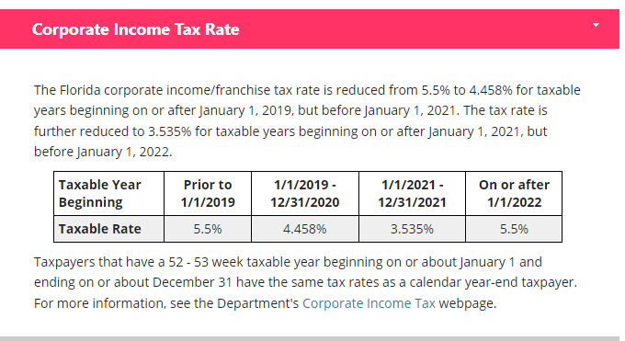
Title: | Corporate Tax Rates |  |  | Reference:
Units: | fraction |  |  |  | https://floridarevenue.com/taxes/taxesfees/Pages/tax_interest_rates.aspx
Description: | State and federal corporate tax rates.
Source: | [State]: https://floridarevenue.com/taxes/taxesfees/Pages/tax_interest_rates.aspx
 | [federal]: https://corporatetax.procon.org/federal-corporate-income-tax-rates/
 |  |  | Data need to go through 2052, consistent with definition of the Static PV Time index
All Utilities â | Static PV Time â | State | Federal
DEF | 2002 | 5.500% | 21%
DEF | 2003 | 5.500% | 21%
DEF | 2004 | 5.500% | 21%
DEF | 2005 | 5.500% | 21%
DEF | 2006 | 5.500% | 21%
DEF | 2007 | 5.500% | 21%
DEF | 2008 | 5.500% | 21%
DEF | 2009 | 5.500% | 21%
DEF | 2010 | 5.500% | 21%
DEF | 2011 | 5.500% | 21%
DEF | 2012 | 5.500% | 21%
DEF | 2013 | 5.500% | 21%
DEF | 2014 | 5.500% | 21%
DEF | 2015 | 5.500% | 21%
DEF | 2016 | 5.500% | 21%
DEF | 2017 | 5.500% | 21%
DEF | 2018 | 5.500% | 21%
DEF | 2019 | 4.458% | 21%
DEF | 2020 | 4.458% | 21%
DEF | 2021 | 3.535% | 21%
DEF | 2022 | 5.500% | 21%
DEF | 2023 | 5.500% | 21%
DEF | 2024 | 5.500% | 21%
DEF | 2025 | 5.500% | 21%
DEF | 2026 | 5.500% | 21%
DEF | 2027 | 5.500% | 21%
DEF | 2028 | 5.500% | 21%
DEF | 2029 | 5.500% | 21%
DEF | 2030 | 5.500% | 21%
DEF | 2031 | 5.500% | 21%
DEF | 2032 | 5.500% | 21%
DEF | 2033 | 5.500% | 21%
DEF | 2034 | 5.500% | 21%
FPL | 2002 | 5.500% | 21%
FPL | 2003 | 5.500% | 21%
FPL | 2004 | 5.500% | 21%
FPL | 2005 | 5.500% | 21%
FPL | 2006 | 5.500% | 21%
FPL | 2007 | 5.500% | 21%
FPL | 2008 | 5.500% | 21%
FPL | 2009 | 5.500% | 21%
FPL | 2010 | 5.500% | 21%
FPL | 2011 | 5.500% | 21%
FPL | 2012 | 5.500% | 21%
FPL | 2013 | 5.500% | 21%
FPL | 2014 | 5.500% | 21%
FPL | 2015 | 5.500% | 21%
FPL | 2016 | 5.500% | 21%
FPL | 2017 | 5.500% | 21%
FPL | 2018 | 5.500% | 21%
FPL | 2019 | 4.458% | 21%
FPL | 2020 | 4.458% | 21%
FPL | 2021 | 3.535% | 21%
FPL | 2022 | 5.500% | 21%
FPL | 2023 | 5.500% | 21%
FPL | 2024 | 5.500% | 21%
FPL | 2025 | 5.500% | 21%
FPL | 2026 | 5.500% | 21%
FPL | 2027 | 5.500% | 21%
FPL | 2028 | 5.500% | 21%
FPL | 2029 | 5.500% | 21%
FPL | 2030 | 5.500% | 21%
FPL | 2031 | 5.500% | 21%
FPL | 2032 | 5.500% | 21%
FPL | 2033 | 5.500% | 21%
FPL | 2034 | 5.500% | 21%
FPUC | 2002 | 5.500% | 21%
FPUC | 2003 | 5.500% | 21%
FPUC | 2004 | 5.500% | 21%
FPUC | 2005 | 5.500% | 21%
FPUC | 2006 | 5.500% | 21%
FPUC | 2007 | 5.500% | 21%
FPUC | 2008 | 5.500% | 21%
FPUC | 2009 | 5.500% | 21%
FPUC | 2010 | 5.500% | 21%
FPUC | 2011 | 5.500% | 21%
FPUC | 2012 | 5.500% | 21%
FPUC | 2013 | 5.500% | 21%
FPUC | 2014 | 5.500% | 21%
FPUC | 2015 | 5.500% | 21%
FPUC | 2016 | 5.500% | 21%
FPUC | 2017 | 5.500% | 21%
FPUC | 2018 | 5.500% | 21%
FPUC | 2019 | 4.458% | 21%
FPUC | 2020 | 4.458% | 21%
FPUC | 2021 | 3.535% | 21%
FPUC | 2022 | 5.500% | 21%
FPUC | 2023 | 5.500% | 21%
FPUC | 2024 | 5.500% | 21%
FPUC | 2025 | 5.500% | 21%
FPUC | 2026 | 5.500% | 21%
FPUC | 2027 | 5.500% | 21%
FPUC | 2028 | 5.500% | 21%
FPUC | 2029 | 5.500% | 21%
FPUC | 2030 | 5.500% | 21%
FPUC | 2031 | 5.500% | 21%
FPUC | 2032 | 5.500% | 21%
FPUC | 2033 | 5.500% | 21%
FPUC | 2034 | 5.500% | 21%
JEA | 2002 | 5.500% | 21%
JEA | 2003 | 5.500% | 21%
JEA | 2004 | 5.500% | 21%
JEA | 2005 | 5.500% | 21%
JEA | 2006 | 5.500% | 21%
JEA | 2007 | 5.500% | 21%
JEA | 2008 | 5.500% | 21%
JEA | 2009 | 5.500% | 21%
JEA | 2010 | 5.500% | 21%
JEA | 2011 | 5.500% | 21%
JEA | 2012 | 5.500% | 21%
JEA | 2013 | 5.500% | 21%
JEA | 2014 | 5.500% | 21%
JEA | 2015 | 5.500% | 21%
JEA | 2016 | 5.500% | 21%
JEA | 2017 | 5.500% | 21%
JEA | 2018 | 5.500% | 21%
JEA | 2019 | 4.458% | 21%
JEA | 2020 | 4.458% | 21%
JEA | 2021 | 3.535% | 21%
JEA | 2022 | 5.500% | 21%
JEA | 2023 | 5.500% | 21%
JEA | 2024 | 5.500% | 21%
JEA | 2025 | 5.500% | 21%
JEA | 2026 | 5.500% | 21%
JEA | 2027 | 5.500% | 21%
JEA | 2028 | 5.500% | 21%
JEA | 2029 | 5.500% | 21%
JEA | 2030 | 5.500% | 21%
JEA | 2031 | 5.500% | 21%
JEA | 2032 | 5.500% | 21%
JEA | 2033 | 5.500% | 21%
JEA | 2034 | 5.500% | 21%
OUC | 2002 | 5.500% | 21%
OUC | 2003 | 5.500% | 21%
OUC | 2004 | 5.500% | 21%
OUC | 2005 | 5.500% | 21%
OUC | 2006 | 5.500% | 21%
OUC | 2007 | 5.500% | 21%
OUC | 2008 | 5.500% | 21%
OUC | 2009 | 5.500% | 21%
OUC | 2010 | 5.500% | 21%
OUC | 2011 | 5.500% | 21%
OUC | 2012 | 5.500% | 21%
OUC | 2013 | 5.500% | 21%
OUC | 2014 | 5.500% | 21%
OUC | 2015 | 5.500% | 21%
OUC | 2016 | 5.500% | 21%
OUC | 2017 | 5.500% | 21%
OUC | 2018 | 5.500% | 21%
OUC | 2019 | 4.458% | 21%
OUC | 2020 | 4.458% | 21%
OUC | 2021 | 3.535% | 21%
OUC | 2022 | 5.500% | 21%
OUC | 2023 | 5.500% | 21%
OUC | 2024 | 5.500% | 21%
OUC | 2025 | 5.500% | 21%
OUC | 2026 | 5.500% | 21%
OUC | 2027 | 5.500% | 21%
OUC | 2028 | 5.500% | 21%
OUC | 2029 | 5.500% | 21%
OUC | 2030 | 5.500% | 21%
OUC | 2031 | 5.500% | 21%
OUC | 2032 | 5.500% | 21%
OUC | 2033 | 5.500% | 21%
OUC | 2034 | 5.500% | 21%
TECO | 2002 | 5.500% | 21%
TECO | 2003 | 5.500% | 21%
TECO | 2004 | 5.500% | 21%
TECO | 2005 | 5.500% | 21%
TECO | 2006 | 5.500% | 21%
TECO | 2007 | 5.500% | 21%
TECO | 2008 | 5.500% | 21%
TECO | 2009 | 5.500% | 21%
TECO | 2010 | 5.500% | 21%
TECO | 2011 | 5.500% | 21%
TECO | 2012 | 5.500% | 21%
TECO | 2013 | 5.500% | 21%
TECO | 2014 | 5.500% | 21%
TECO | 2015 | 5.500% | 21%
TECO | 2016 | 5.500% | 21%
TECO | 2017 | 5.500% | 21%
TECO | 2018 | 5.500% | 21%
TECO | 2019 | 4.458% | 21%
TECO | 2020 | 4.458% | 21%
TECO | 2021 | 3.535% | 21%
TECO | 2022 | 5.500% | 21%
TECO | 2023 | 5.500% | 21%
TECO | 2024 | 5.500% | 21%
TECO | 2025 | 5.500% | 21%
TECO | 2026 | 5.500% | 21%
TECO | 2027 | 5.500% | 21%
TECO | 2028 | 5.500% | 21%
TECO | 2029 | 5.500% | 21%
TECO | 2030 | 5.500% | 21%
TECO | 2031 | 5.500% | 21%
TECO | 2032 | 5.500% | 21%
TECO | 2033 | 5.500% | 21%
TECO | 2034 | 5.500% | 21%

